General
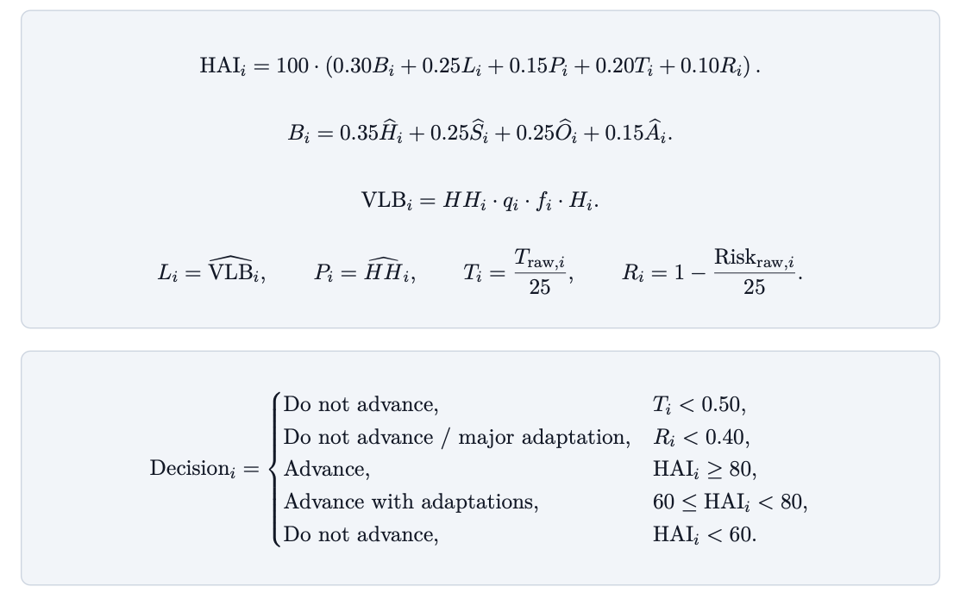
Hillink Applicability Index - Model Overview
Index purpose | The HAI is a route-level MCDA score used to decide whether a candidate route should advance, advance with adaptations, or not advance.
Final Index
MCDA logic | MCDA converts different kinds of evidence into comparable 0–1 subscores before applying weights. The model does not rely only on social need; feasibility thresholds also matter.
Unit of analysis | The model evaluates a candidate route, not an entire neighborhood. A candidate route links a vehicle-accessible point to a household cluster that depends on manual cargo transport.
Index weights meaning
Physical Barrier Score | Measures territorial difficulty: elevation gain, slope, stair/obstruction intensity, and access gap.

Vertical Load Burden | Estimates weekly vertical cargo burden in kg·m/week.

TODO

Required inputs for each weight
Input | Meaning
H | Vertical elevation gain
S | Average slope
O | Stair/obstruction intensity score
A | Distance to vehicle-accessible road
HH | Households served
q | Average load per trip
f | Trips per week
T_raw | Technical checklist score
Risk_ raw | Regulatory/environmental risk score

Route 1
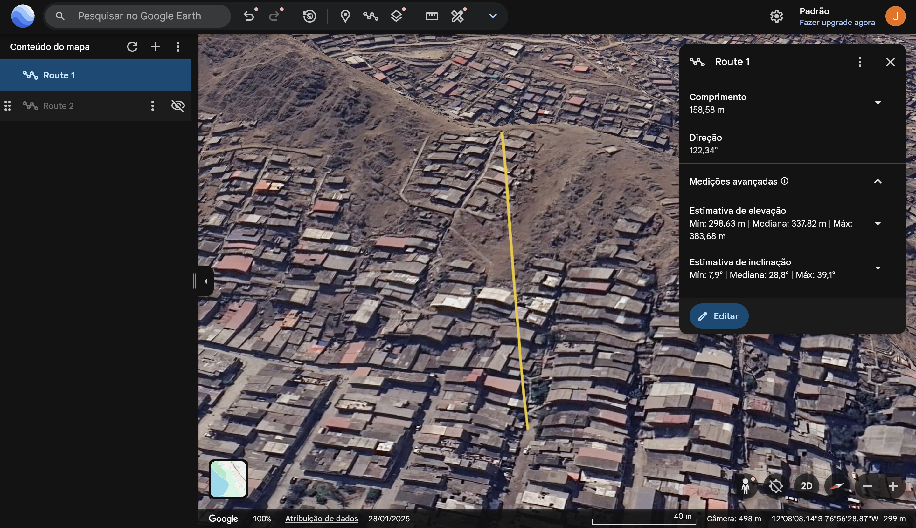
Route 1
 |  |  |  |  |  | Inputs | Value | Unit |  |  | Calculating Risk_raw
 |  |  |  |  |  | H | 85.05 | Meters |  |  | Risk item | Meaning | Scale | Value suggested (then total) | Reason
 |  |  |  |  |  | S | 28.8 | Degrees |  |  | municipal_permission_uncertainty | Is public/municipal permission uncertain? | 0–5 | 3 | The area already has some municipal stair interventions, indicating that public works are possible. However, residents also report limited government support, so authorization remains uncertain.
 |  |  |  |  |  | O | 4 | N/A |  |  | public_private_route_uncertainty | Is the route’s public/private status unclear? | 0–5 | 3 | The route appears to combine public stairs, informal paths, resident-built sections, and spaces adjacent to private houses. Therefore, land/status uncertainty remains moderate.
 |  |  |  |  |  | A | 158.8 | Meters |  |  | corrosion_humidity_exposure | Is the route exposed to humidity, corrosion, rain, or mud? | 0–5 | 2 | The dominant issue is not constant humidity or corrosion, but occasional rain, mud, water pooling, and slippery surfaces. Environmental exposure exists but is not the main constraint.
 |  |  |  |  |  | HH | 25 | Housholds |  |  | maintenance_uncertainty | Is long-term maintenance responsibility unclear? | 0–5 | 4 | Maintenance remains uncertain because residents report weak institutional support and limited daily mutual help. However, community cooperation during faenas and emergencies suggests some basis for shared maintenance.
 |  |  |  |  |  | q | 10 | kg/trip |  |  | misuse_vandalism_risk | Is there risk of misuse, vandalism, or conflict? | 0–5 | 2 | Residents expressed interest in the solution, which reduces expected misuse risk. Still, access rules and shared responsibility would be needed because the system would operate in a dense semi-public area.
 |  |  |  |  |  | f | 5 | trips/week |  |  | Risk raw | Total regulatory/environmental risk score | 0-25 | 14 | Risk is moderate after mitigation, but the route requires permission, maintenance rules, and community agreement before implementation.
 |  |  |  |  |  | T_raw | 16 | N/A |  |  |  |  |  | Conclusion: | Route 1 has manageable residual risk only if minimum governance conditions are met. The project should not advance as a direct installation; it should advance with adaptations, including municipal consultation, community maintenance responsibility, and clear rules of use.
 |  |  |  |  |  | Risk_ raw | 14 | N/A

 |  |  |  |  |  |  |  |  |  |  | Calculating T_raw
 |  |  |  |  |  | Route name |  |  |  |  | Input | Meaning | Scale | Value suggested (then total) | Reason
 |  |  |  |  |  | Start coordinate |  |  |  |  | route_width | Is there enough width? | 0–5 | 3 | The route appears usable but not wide. The lower section has urban access, while the middle section is clustered and narrow. Installation would need to avoid blocking pedestrian circulation.
 |  |  |  |  |  | End coordinate |  |  |  |  | route_continuity | Is the path continuous? | 0–5 | 2 | The route is visually connected, but not fully continuous in infrastructure quality. It combines stairs, informal passages, steep terrain, and possibly unfinished upper segments.
 |  |  |  |  |  | Initial notes |  |  |  |  | anchoring_points | Are there possible anchoring points? | 0–5 | 5 | There are multiple potential anchoring opportunities: built structures at the bottom and middle sections, walls along the route, and open terrain near the top. Structural quality would still require field validation.
 |  |  |  |  |  |  |  |  |  |  | loading_unloading_area | Is there space for loading/unloading? | 0–5 | 4 | The lower section appears vehicle-accessible and has enough space for loading. The upper section also has some open terrain, but final unloading space near households may be constrained.
 |  |  |  |  |  |  |  |  |  |  | manageable_obstruction_risk | Can obstruction risk be managed? | 0–5 | 2 | Obstruction risk is significant because of narrow passages, dense housing, overhead wires, pedestrian use, and exposure to rain/mud. It is manageable only with careful routing and local rules of use.
 |  |  |  |  |  |  |  |  |  |  | Traw | Total technical feasibility score | 0–25 | 16 | Technically plausible, but not ready without adaptation.
 |  |  |  |  |  |  |  |  |  |  |  |  |  | Conclusion: | Route 1 is technically plausible but not ready without adaptation. It has vehicle access at the base, possible anchoring points, and some loading space, but narrow passages, overhead wires, irregular terrain, and pedestrian obstruction require careful design.

Calculating H | Value | Unit
H_min | 298.63 | Meters |  | Calculating A | Value | Unit |  | Calculating q | Value | Unit
H_max | 383.68 | Meters |  | A | 158.8 | Meters |  | q | 10 | kg/trip | Source: field report
H | 85.05 | Meters |  |  | Source: Google Earth

Calculating S | Value | Unit |  |  |  |  |  | Calculating f | Value | Unit
S | 28.8 | Degrees | Source: Google Earth |  |  |  |  | f | 5 | trips/week | Source: field report
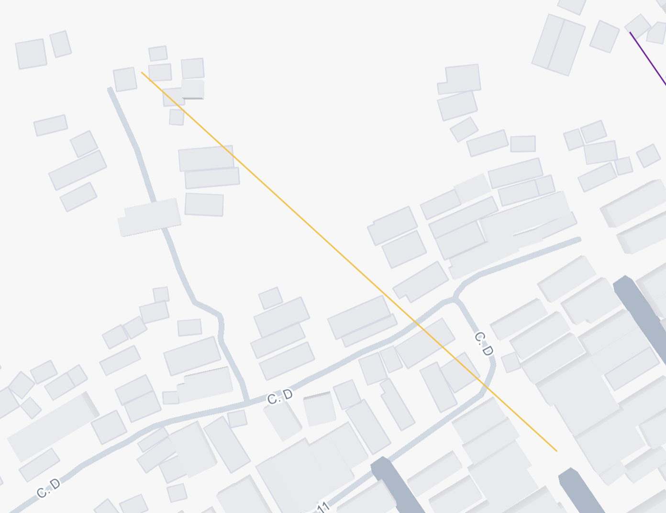
Calculating O |  |  |  |  |  |  |  |  |  |  |  |  |  |  |  | Route 1 is estimated to serve approximately 25–30 households, based on satellite and 3D visual inspection of the housing cluster directly connected to the route. A conservative value of 25 households is used for the first HAI calculation.
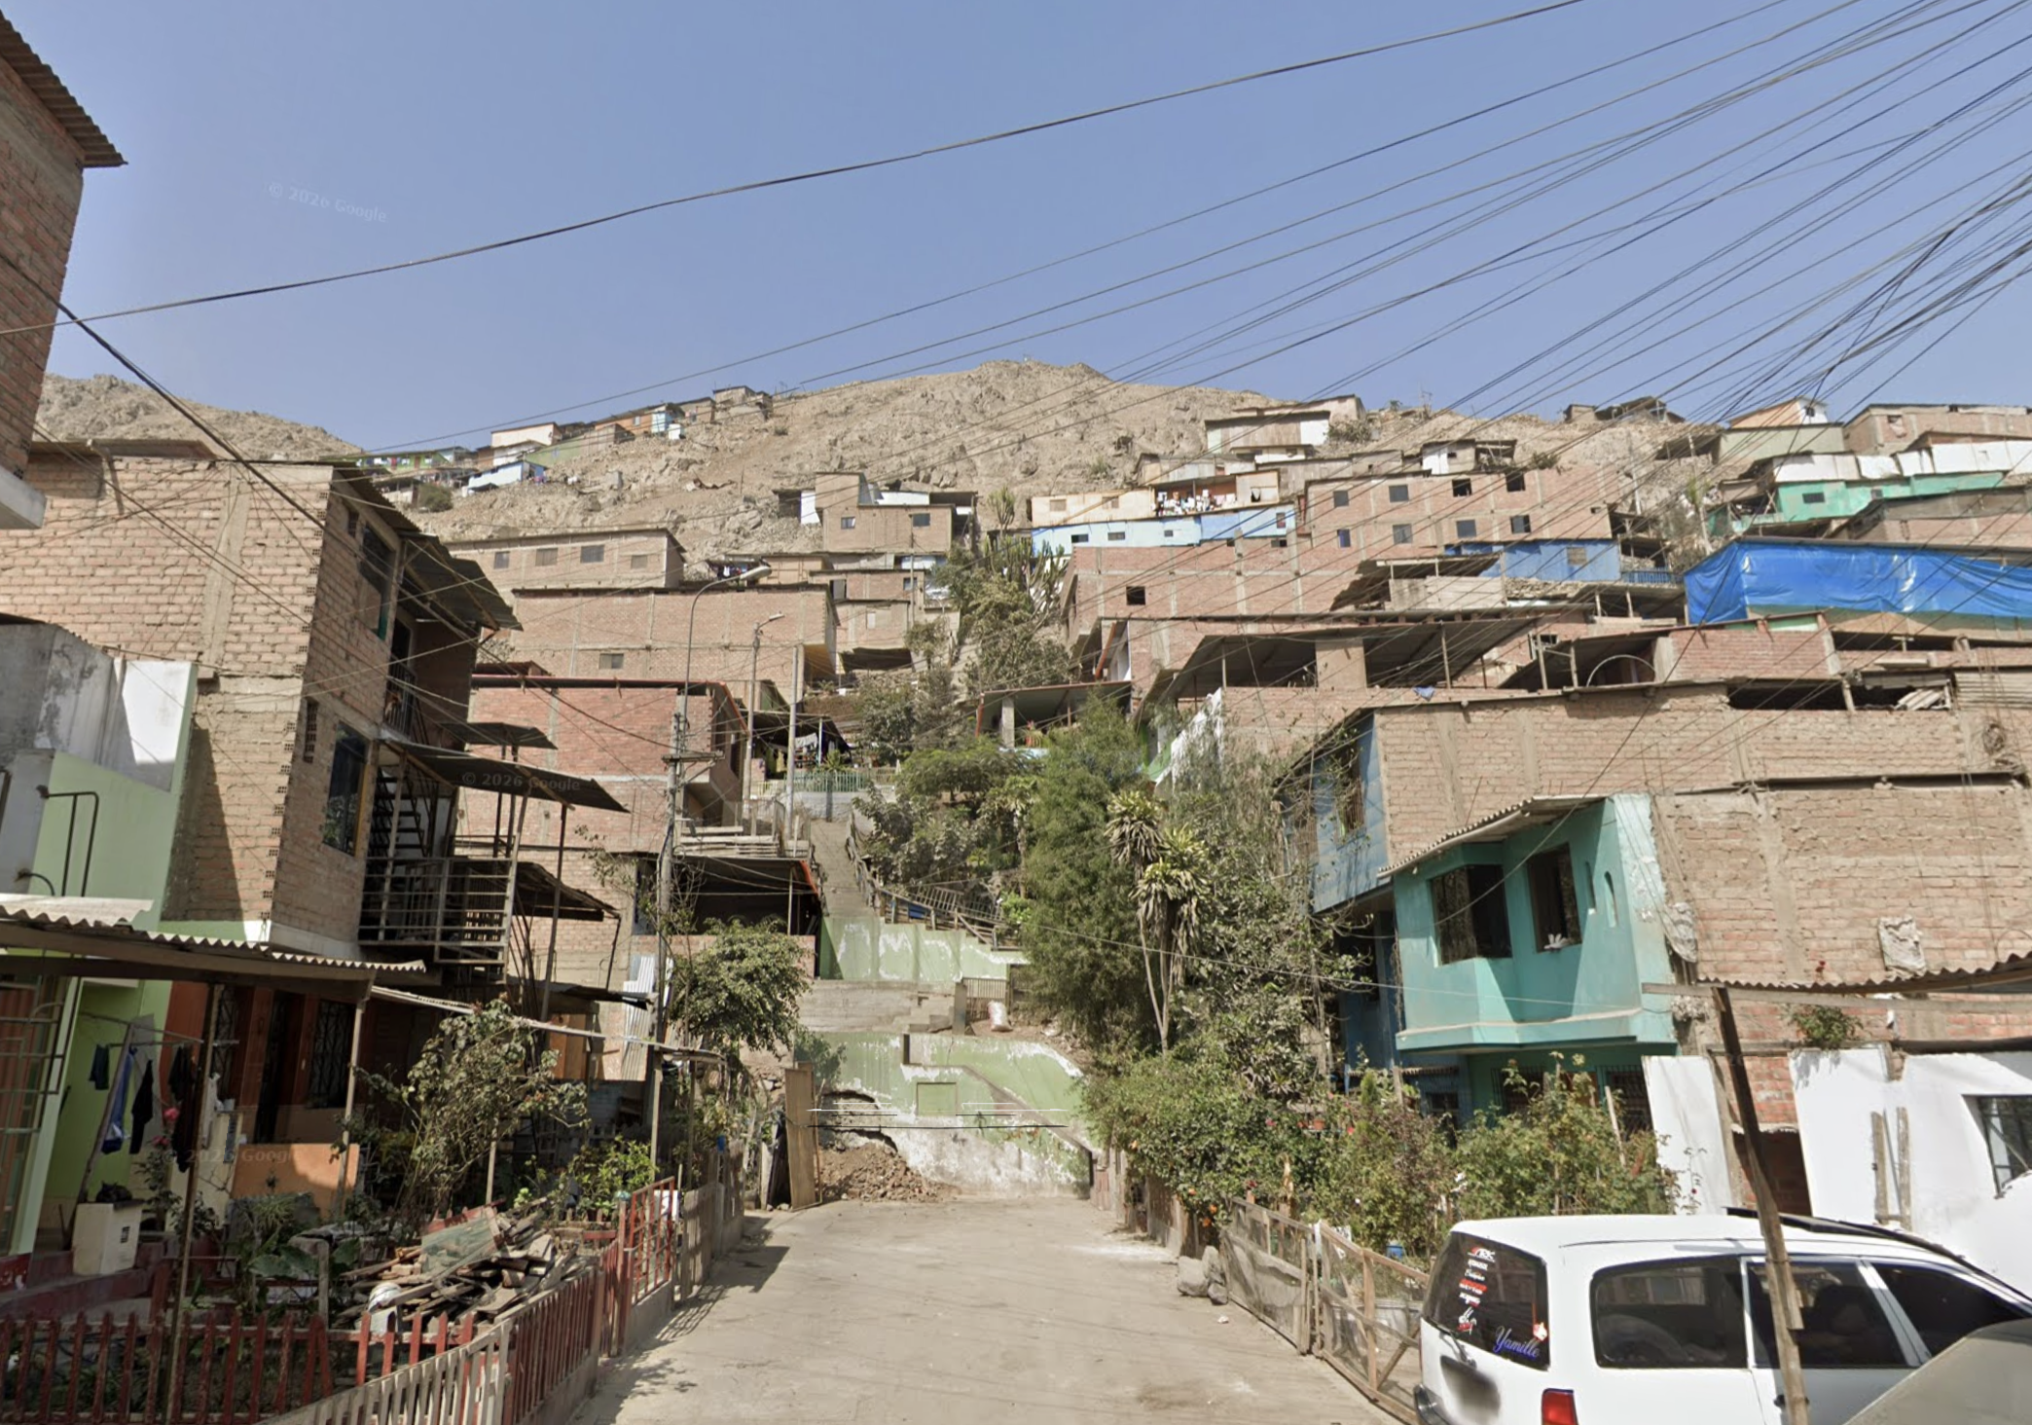
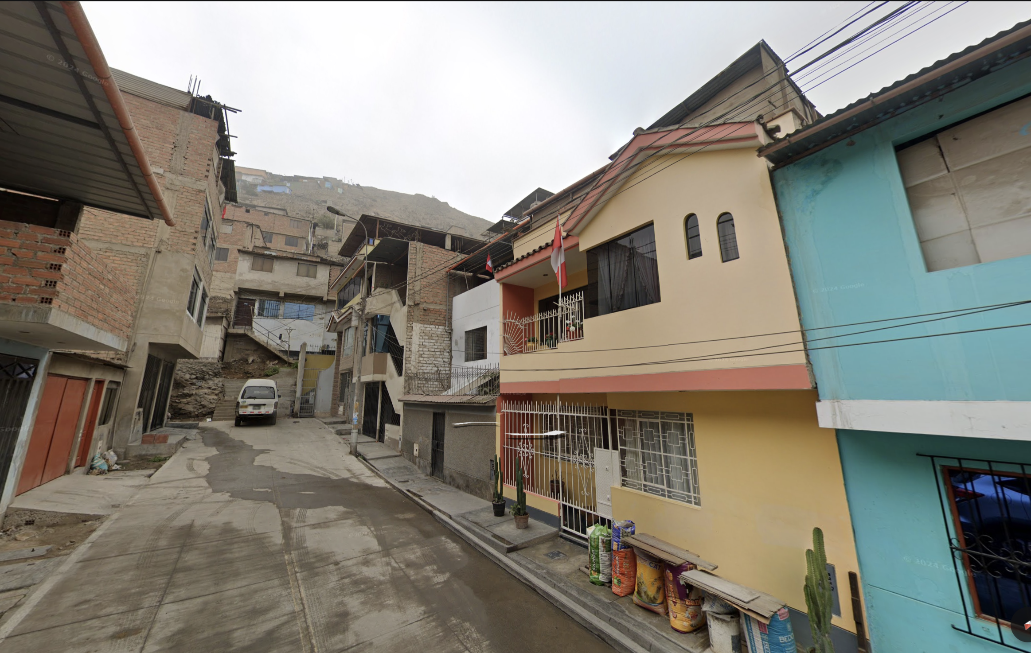

 |  |  |  |  |  |  |  |  |  |  |  |  |  |  |  | HH_min | HH_likely | HH_max
 |  |  |  |  |  |  |  |  |  |  |  |  |  |  |  | 20 | 25 | 30 | Counting method: | Likely |  | Min and Max
 |  |  |  |  |  |  |  |  |  |  |  |  |  |  |  |  |  |  | House cluster connected at the top | 12 | to | 12 to17
 |  |  |  |  |  |  |  |  |  |  |  |  |  |  |  |  |  |  | +
 |  |  |  |  |  |  |  |  |  |  |  |  |  |  |  |  |  |  | Nearby houses along the route | 6 | to | 3 to 6
 |  |  |  |  |  |  |  |  |  |  |  |  |  |  |  |  |  |  | +
 |  |  |  |  |  |  |  |  |  |  |  |  |  |  |  |  |  |  | Immediately connected houses at bottom | 7 |  | 6 to 7
 |  |  |  |  |  |  |  |  |  |  |  |  |  |  |  |  |  |  | =
 |  |  |  |  |  |  |  |  |  |  |  |  |  |  |  |  |  |  | Total households estimation | 25 |  | 20 to 30

 | Value | Unit
O | 4 | N/A | Source: field observation
 | Meaning: | Long staircase with narrow or irregular path conditions.

